Sheet1
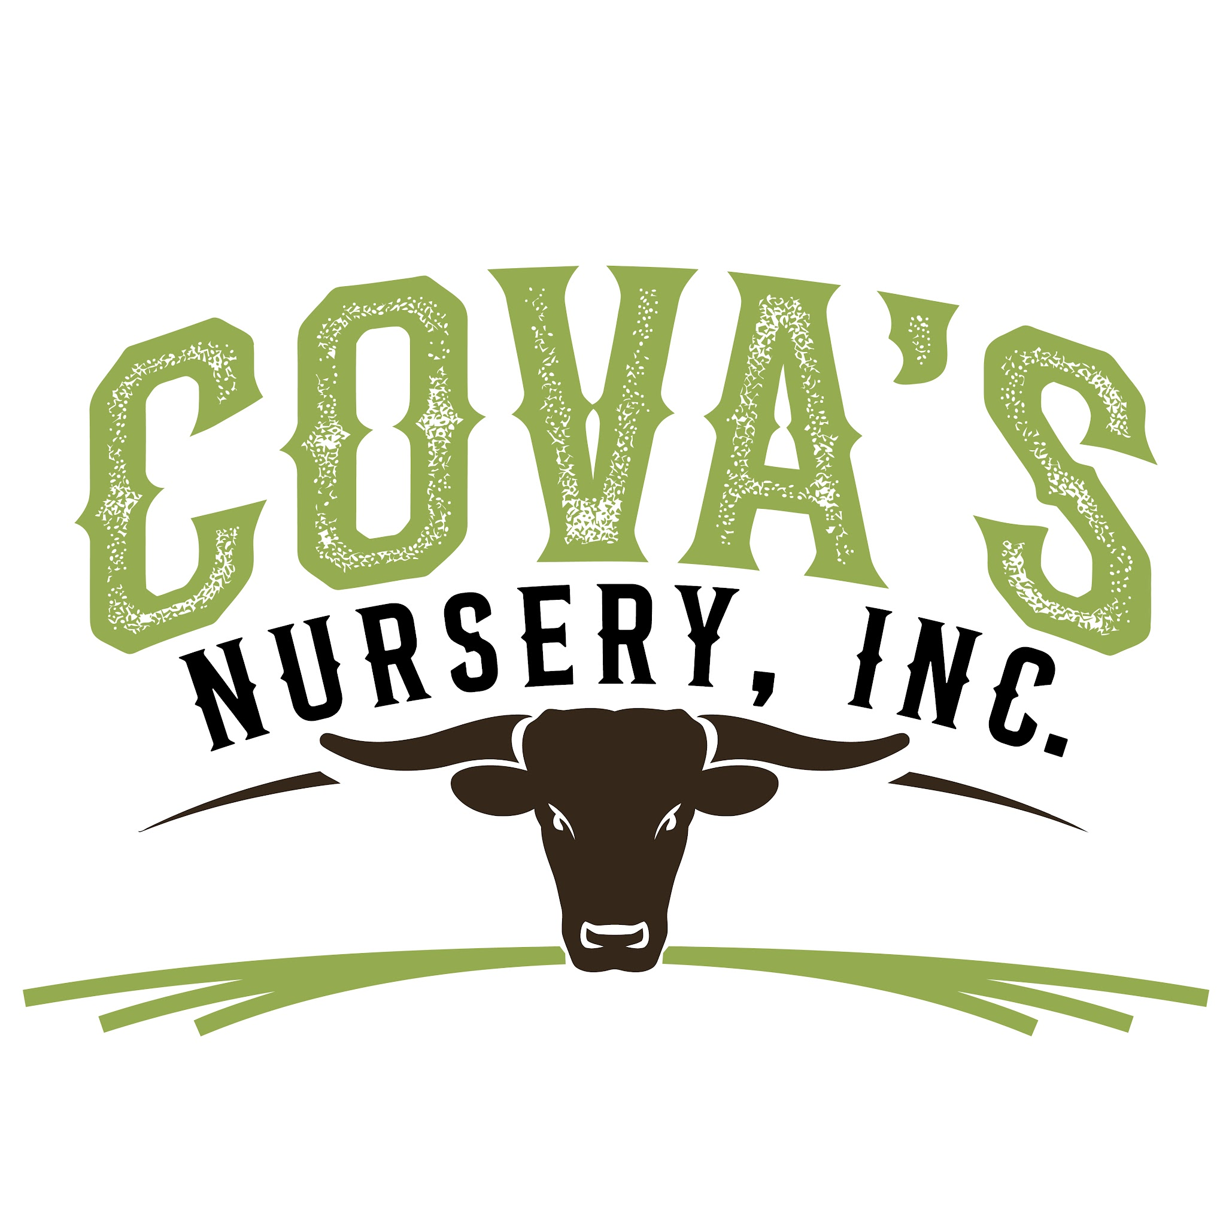
COVA'S NURSERY, INC.
Plant Availability - August 2026
8550 E Broadway San Gabriel, CA 91776
Sales Inquiries • Call or Text Rigo Covarrubias • 626-378-1046
(English & Spanish)

1 GALLON
PLANT NAME | QTY AVAILABLE | PRICE
Japanese Boxwood | 1,000 | Send us a DM!
Lantana Dallas Red | 180
Lantana Gold | 487
Lantana Trailing Purple | 120
Lantana Trailing White | 80
Ligustrum Texana | 1,000
Little John Dwarf Bottle Brush | 160
Rosemary ‘Huntington Carpet’ | 250
Society Garlic Green | 320
Society Garlic Variegated | 60
Tradescantia pallida 'Purple Heart' | 170
5 GALLON
PLANT NAME | QTY AVAILABLE
Agapanthus africanus (Blue Agapanthus) | 60
Agave attenuata (Foxtail Agave) | 40
Bougainvillea ‘Barbara Karst’ Bush | 353
Bougainvillea 'James Walker' Bush | 143
Bougainvillea 'La Jolla' | 162
Bouganvillea 'Imperial Thai' Bush | 76
Bouganviella 'Purple Walker' Bush | 150
Buxus microphylla var. japonica 'Green Beauty' | 200
Buxus microphylla japonica (Japanese Boxwood) | 150
Callistemon ‘Little John’ (Dwarf Bottlebrush) | 110
Coprosma ‘Plum Hussey’ | 196
Cupressus macrocarpa (Lemon Cypress) | Sold Out
Dietes Bicolor | 112
Dietes iridioides | 130
Dodonaea viscosa 'Purpurea' 5' Stake | 178
Escallonia ‘Fradesii’ (Pink Escallonia) | 83
Euonymus japonicus ‘Silver King’ | 65
Festuca glauca 'Elijah Blue' (Blue Fescue) | 58
Juniper ‘Sea Green’ | 162
Lantana ‘Confetti’ (Pink Lantana) | 150
Lantana ‘White’ (White Trailing Lantana) | 150
Lantana camara ‘Dallas Red’ | 150
Lantana camara ‘Radiation’ | 150
Lantana montevidensis (Purple Trailing Lantana) | 150
Leucophyllum frutescens (Texas Ranger) | 134
Ligustrum ‘Texanum’ (Texanum Privet Bush) | 959
Muhlenbergia lindheimeri (Lindheimer’s Muhly) | 160
Nandina domestica ‘Nana’ | 253
Nandina domestica (Heavenly Bamboo) | 233
Olea ‘Little Ollie’ (Dwarf Olive) | 288
Penstemon ‘Catherine de la Mare’ | 40
Photinia × fraseri (Red Tip Photinia) | 112
Pink muhly grass (Muhlenbergia capillaris) | 200
Pittosporum ‘Wheeler’s Dwarf’ | 76
Pittosporum tobira ‘Variegata’ | 68
Plumbago auriculata (Blue Plumbago) | 142
Rhaphiolepis indica ‘Clara’ (Indian Hawthorn) | 40
Rhaphiolepis indica ‘Pink Lady’ (Indian Hawthorn) | 65
Rosemary ‘Huntington Carpet’ | 85
Salvia ‘Heatwave Blaze’ | 167
Salvia ‘Santa Barbara’ | 133
Salvia greggii | 155
Salvia leucantha (Mexican Bush Sage) | 75
Tecoma ‘Jubilee’ (Jubilee Bush) | 112
Tecoma capensis (Cape Honeysuckle Bush) | 100
Vitex trifolia 'Purpurea' (Arabian Lilac) | 162
Westringia fruticosa 'Smokey' | 179
Westringia fruticosa | 84
Westringia fruticosa ‘Compacta’ | 50
Westringia fruticosa ‘Mundi’ | 50
Xylosma congestum (Xylosma) | 161
15 GALLON
PLANT NAME | QTY AVAILABLE
Agave attenuata (Foxtail Agave) | 230
Bougainvillea ‘Barbara Karst’ | 60
Buxus microphylla japonica (Japanese Boxwood) | 250
Calliandra haematocephala (Powder Puff) | 175
Callistemon ‘Little John’ (Dwarf Bottlebrush) | 85
Cupressus sempervirens (Italian Cypress) | 200
Dodonaea viscosa ‘Purpurea’ (Purple Hopseed) | 305
Eugenia myrtifolia | 120
Ficus Nitida | 300
Ligustrum ‘Texanum’ (Texanum Privet Staked) | 672
Nandina domestica (Heavenly Bamboo) | 188
Olea ‘Little Ollie’ (Dwarf Olive) | 100
Olea ‘Little Ollie’ (Little Ollie Globe) | 55
Photinia × fraseri (Red Tip Photinia) | 164
Rhaphiolepis indica ‘Clara’ | 180
Rhaphiolepis indica ‘Pink Lady’ | 180
Rosa ‘Iceberg’ (White Iceberg Rose) | 120
Star Jasmine | 230
Tristania conferta (Lophostemon) 8ft stake | 100
Tecoma capensis (Cape Honeysuckle Staked) | 65
Ficus Nitida (24" Box) | 60
Ficus Nitida (25 Gallon) | 189
Photos available upon request.
Please text (626)-378-1046 for current plant photos, sizing and availability.
Send us your plant list - we may have additional varieties and container sizes.
Thank you for choosing Cova's Nursery, Inc.

